Test excution details
Test Case no | Test case Name | Screen Shot
USER STORY_001
TC_001 | Validate MAKE tab with valid details | 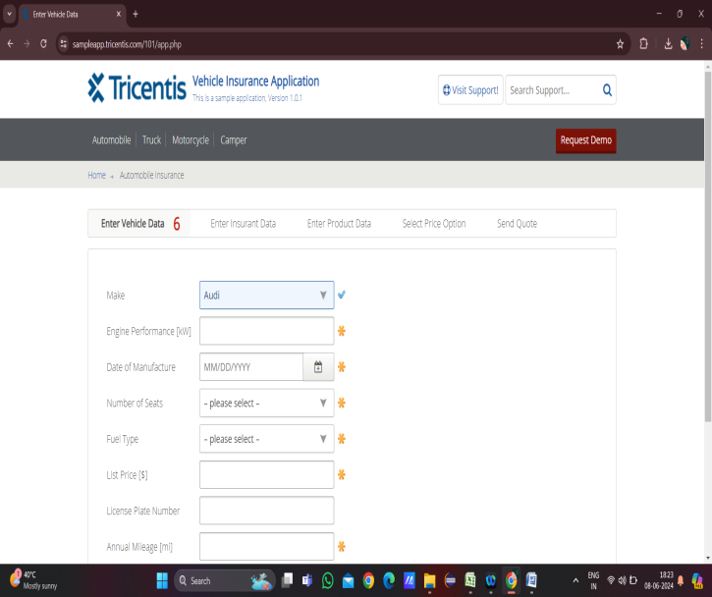
TC_002 | Validate MAKE tab with invalid details | 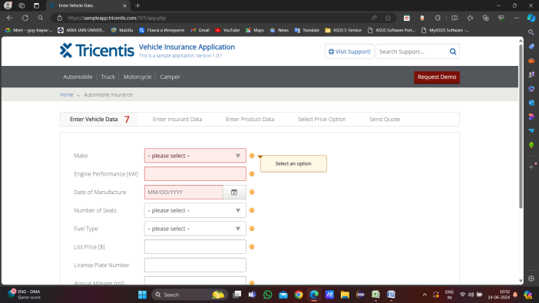
TC_003 | Validate Engine Performance [kW] tab with valid details | 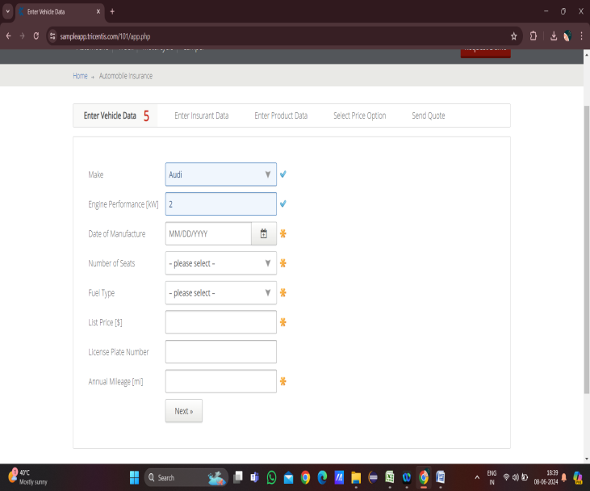
TC_004 | Validate Engine Performance [kW] tab with invalid details | 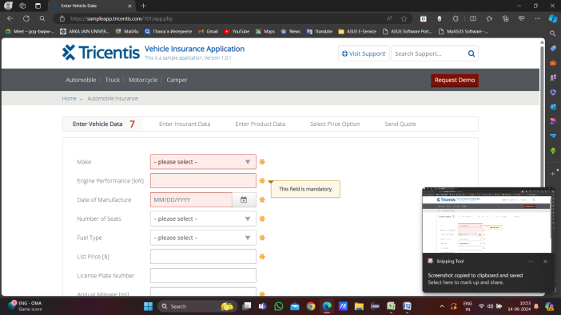
TC_005 | Validate Engine Performance [kW] tab with Invalid details | 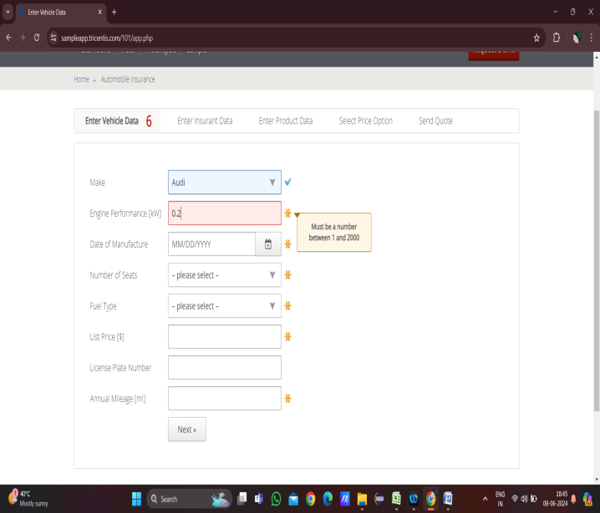
TC_006 | Validate Engine Performance [kW] tab with Invalid details | 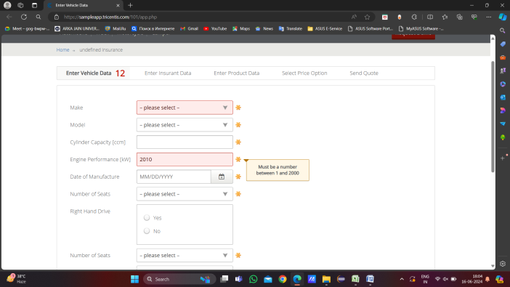
TC_007 | Validate Date of Manufacture tab with valid details | 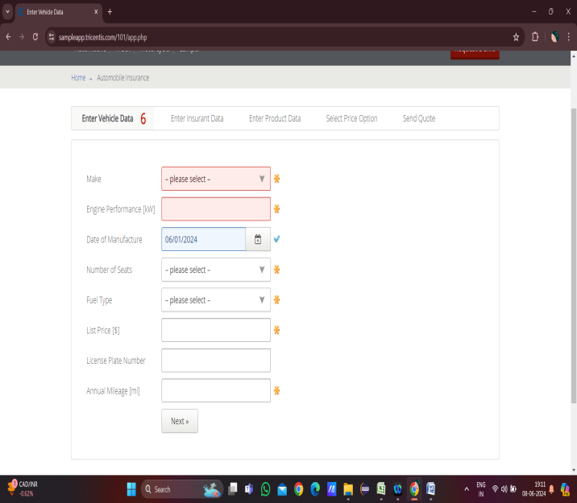
TC_008 | Validate Date of Manufacture tab with invalid details | 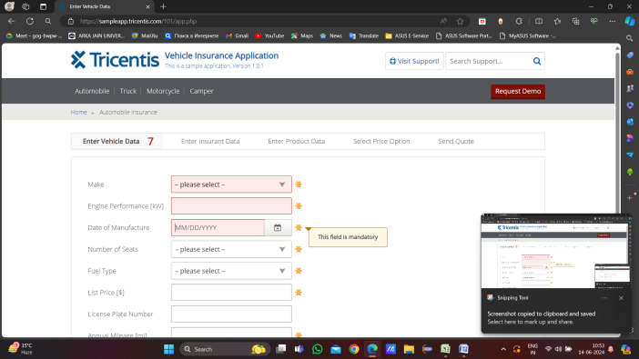
TC_009 | Validate Date of Manufacture tab with invalid details | 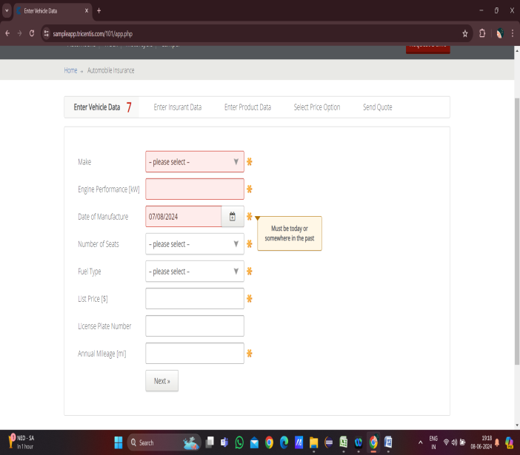
TC_010 | Validate No of Seat tab with valid details | 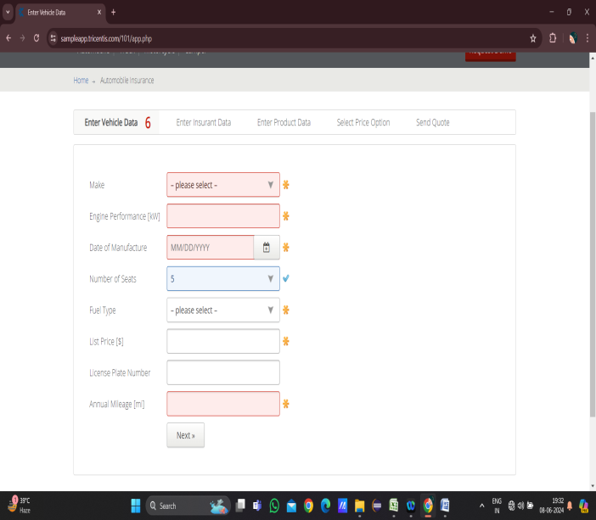
TC_011 | Validate No of Seat tab with invalid details | 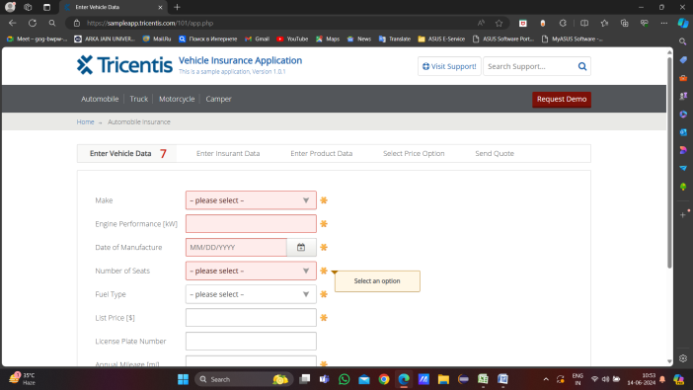
TC_012 | Validate Fuel type tab with valid details | 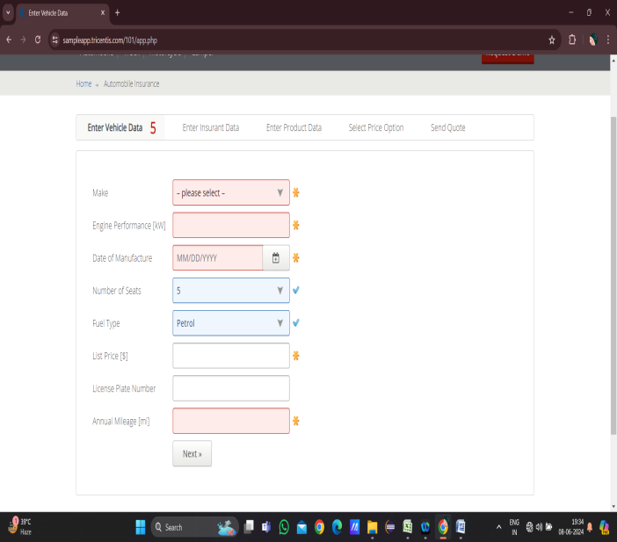
TC_013 | Validate Fuel type tab with invalid details | 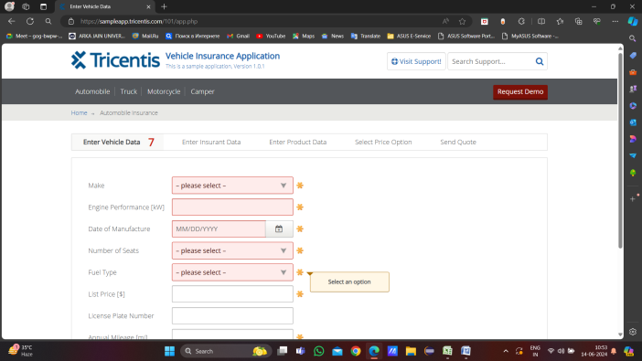
TC_014 | Validate List Price [$] tab with valid details | 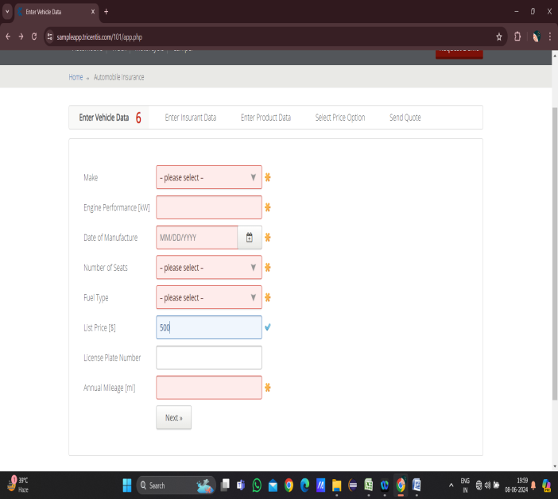
TC_015 | Validate List Price [$] tab with invalid details | 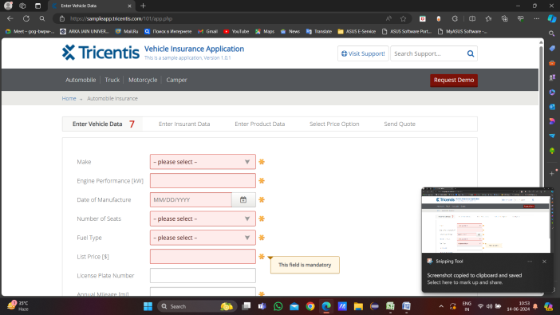
TC_016 | Validate List Price [$] tab with invalid details | 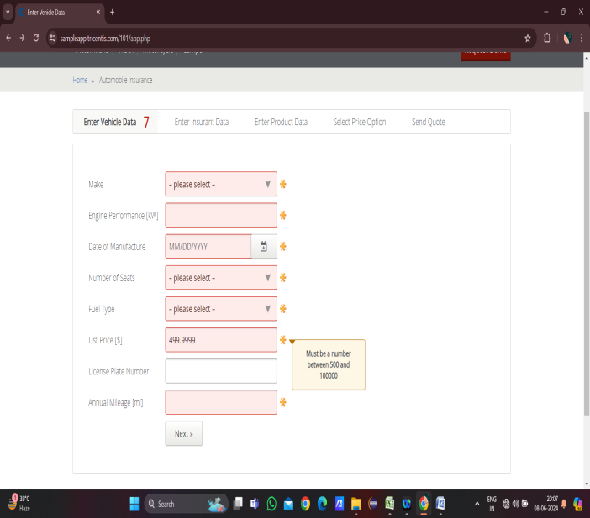
TC_017 | Validate List Price [$] tab with invalid details | 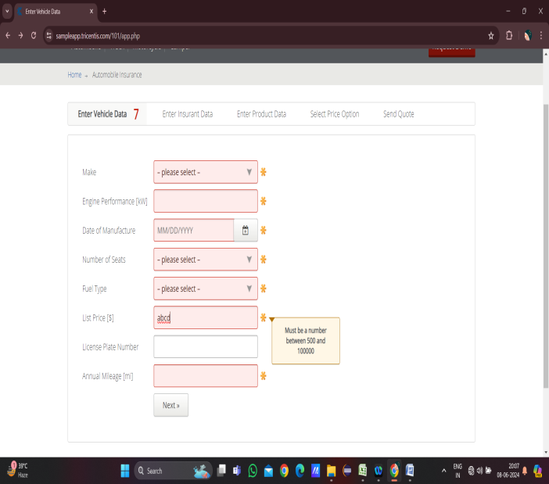
TC_018 | Validate List Price [$] tab with invalid details | 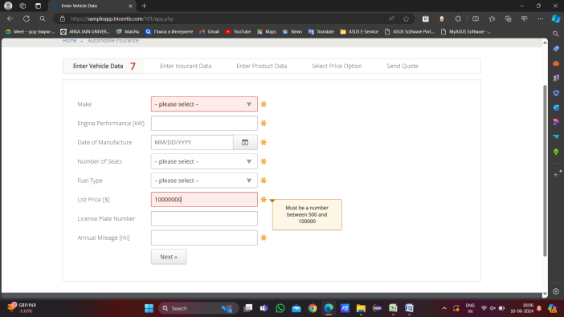
TC_019 | Validate License Plate Number tab with valid details | 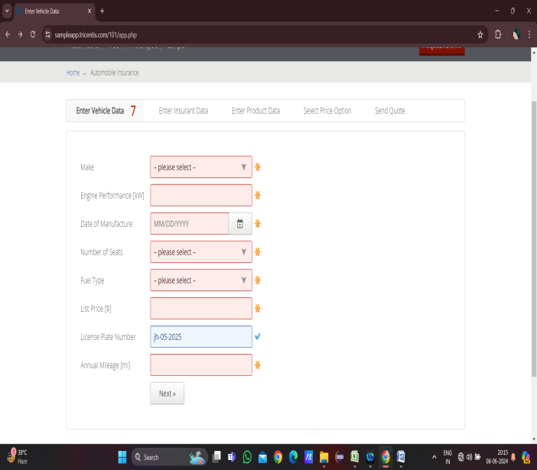
TC_020 | Validate License Plate Number tab with invalid details | 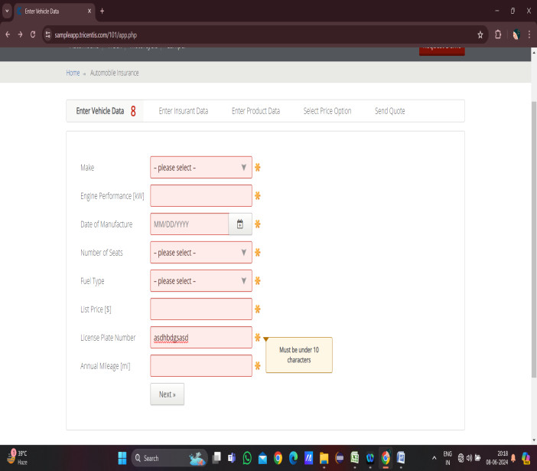
TC_021 | Validate Annual Mileage [mi] tab with valid details | 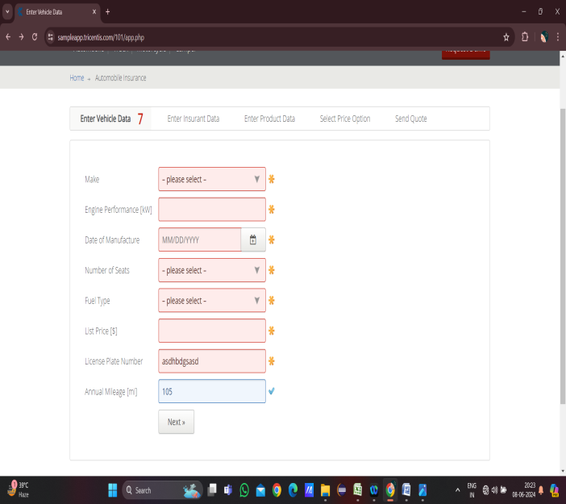
TC_022 | Validate Annual Mileage [mi] tab with invalid details | 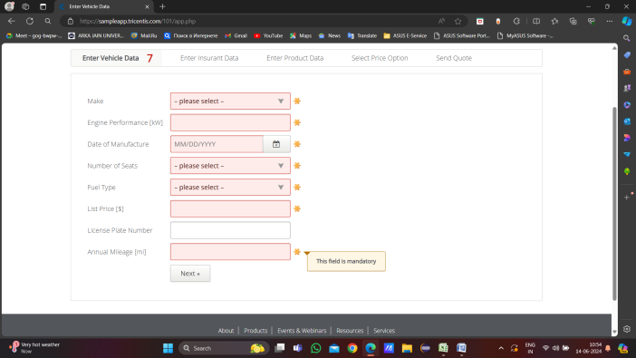
TC_023 | Validate Annual Mileage [mi] tab with invalid details | 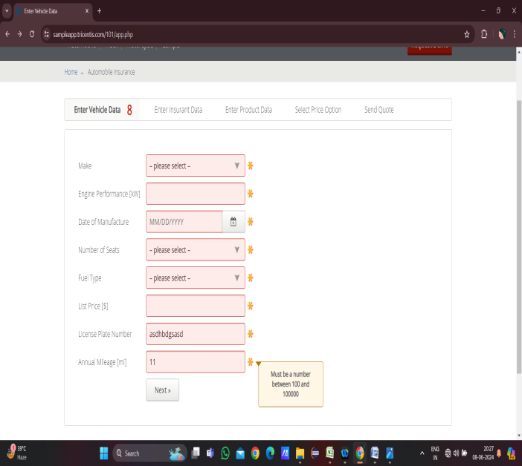
TC_024 | Validate Annual Mileage [mi] tab with invalid details | 
TC_025 | Validate Annual Mileage [mi] tab with invalid details | 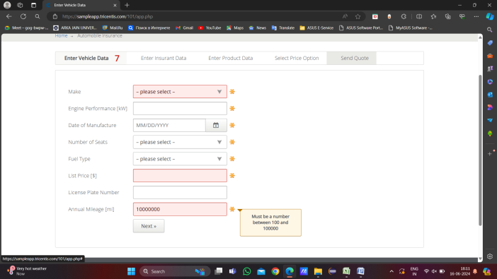
TC_026 | validate next button navigation | 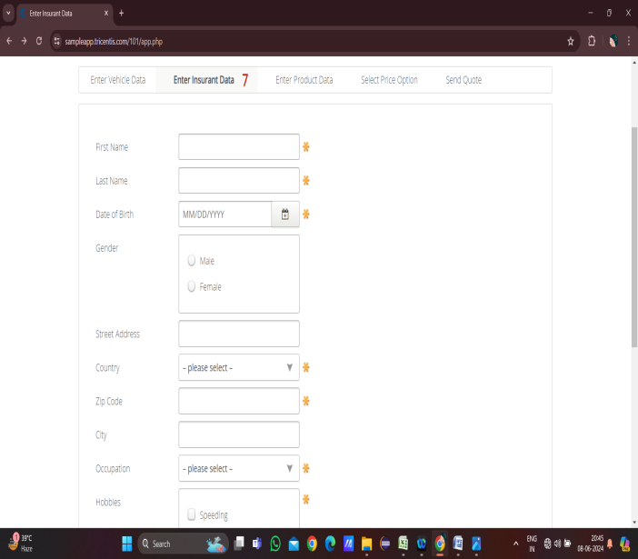
TC_027 | validate Prev button navigation and enter data | 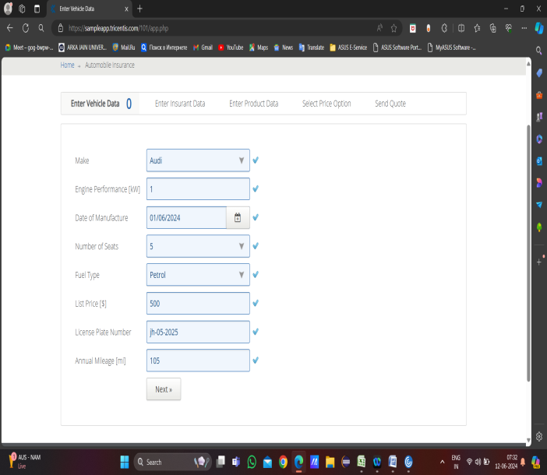
USER STORY_005
TC_001 | Validate navigation of price option tab with valid details | 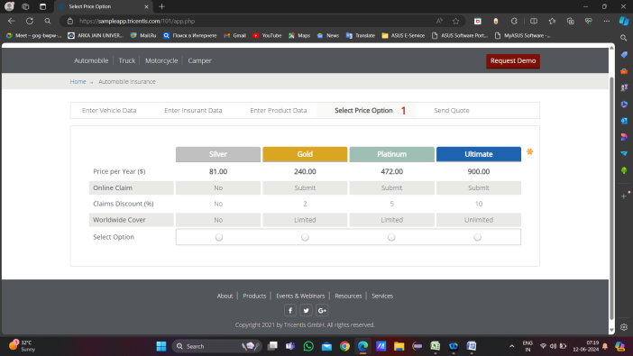
TC_002 | Validate navigation of price option tab with invalid details | 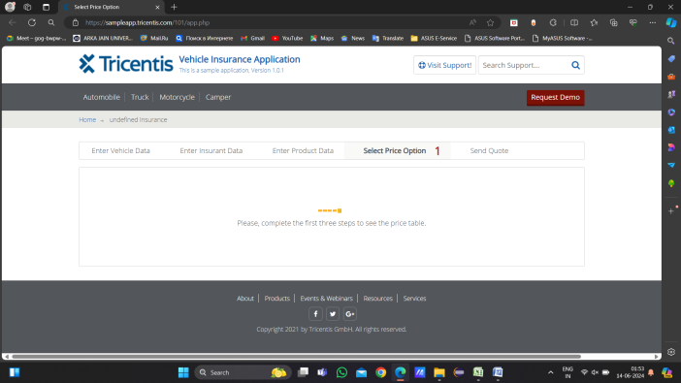
TC_003 | Validate the price option tab with valid details
TC_004 | Verify the top Row of table stucture
TC_005 | Verify the 1st column of table stucture
TC_006 | Verify the Price per Year ($) Column
TC_007 | verify the Online Claim Column
TC_008 | Verify the Claims Discount (%) Column
TC_009 | Verify the Worldwide Cover Column
TC_010 | Verify the select option Column
TC_011 | Validate the functionality of radio button of Select option
TC_012 | Validate the View Quote | 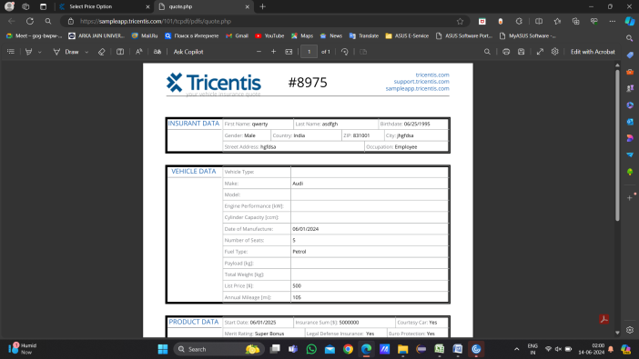
TC_013 | Validate the View Quote with invalid selection
TC_014 | Validate the Download Quote with selection
TC_015 | Validate the Download Quote with no selection | 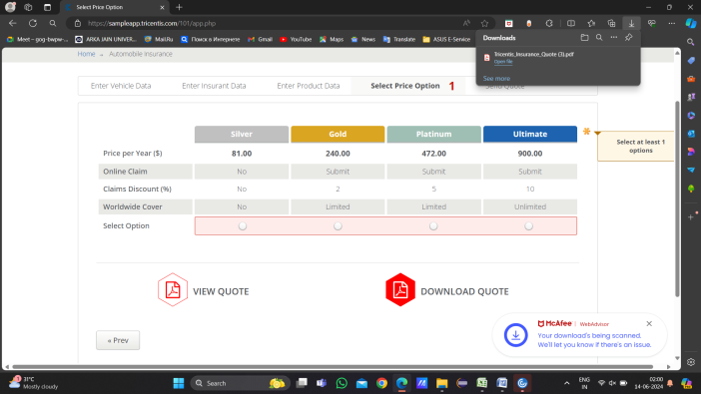
TC_016 | Verify the format of quote
TC_017 | 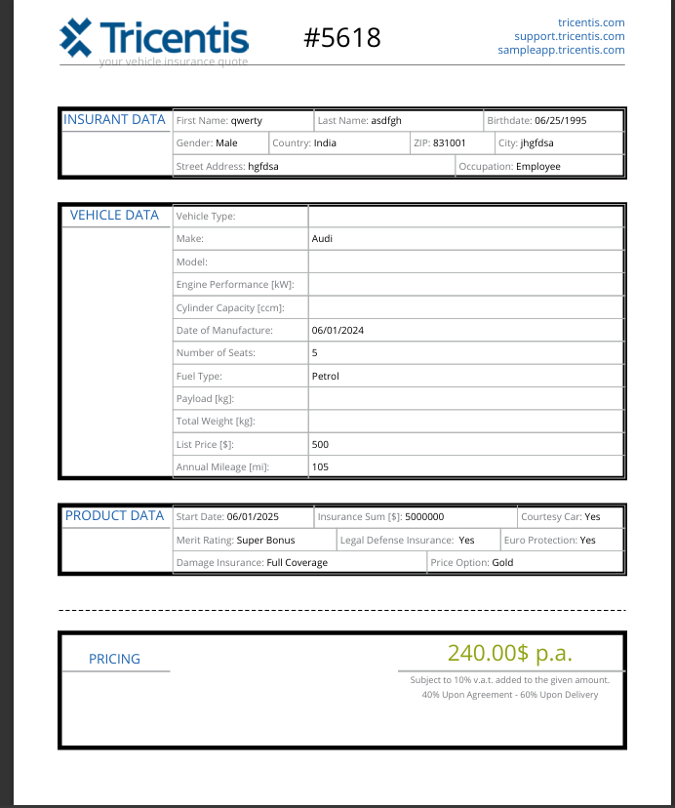 Varify and validate quote with given data |  |  | 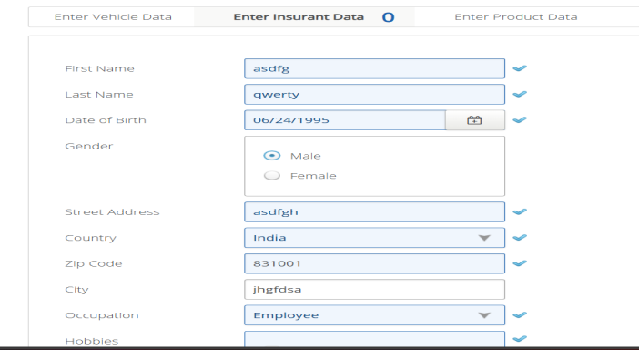 | 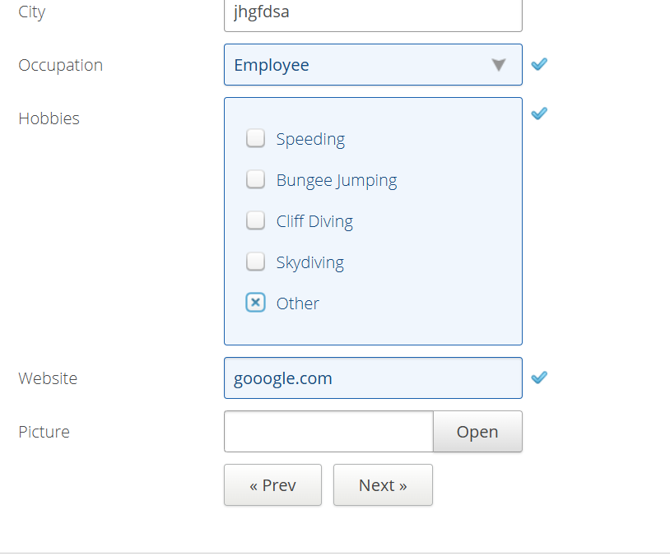 | 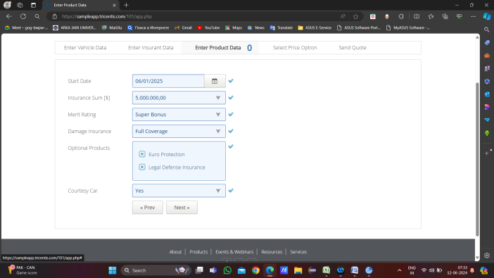
TC_018 | verify the navigation of next button | 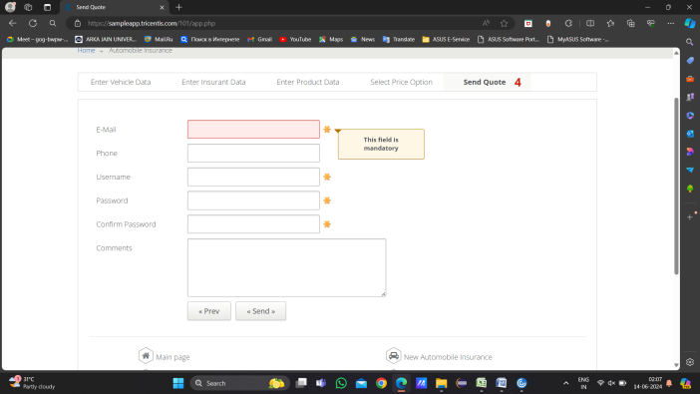
TC_019 | verify the navigation of prev button

Defect_Snapshots
USER STORY:-001
Diffect no | Screen shot
D-1 | 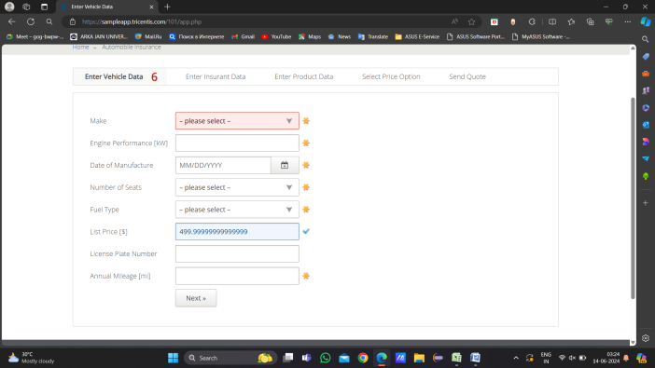
D-2 | 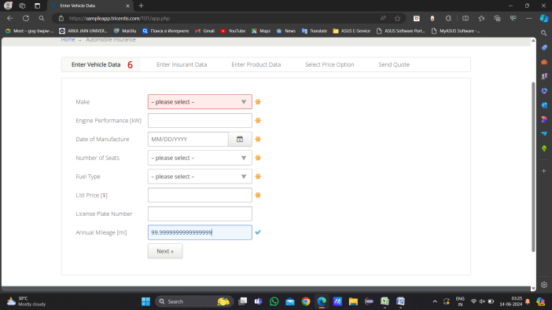
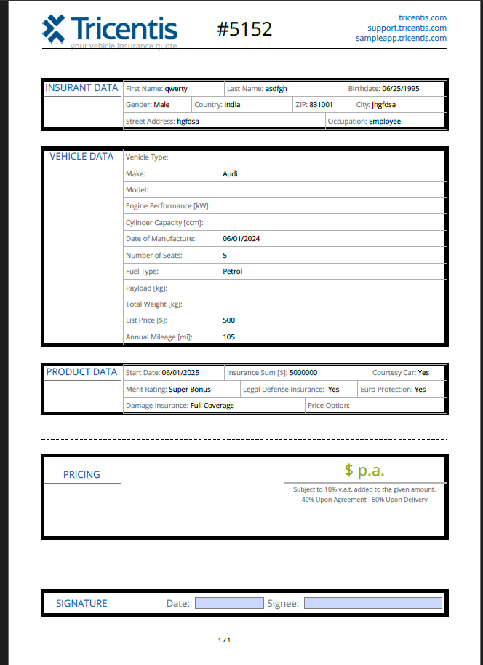
USER STORY:-005
D-1
D-2

